Diagram
 | Displacement at mid-span [mm]
0.00E+00 | 0.00E+00
1.00E-02 | -1.25E-01
2.00E-02 | -2.50E-01
3.00E-02 | -3.75E-01
4.00E-02 | -4.99E-01
5.00E-02 | -6.24E-01
6.00E-02 | -7.49E-01
7.00E-02 | -8.74E-01
8.00E-02 | -9.99E-01
9.00E-02 | -1.12E+00
1.00E-01 | -1.25E+00
1.10E-01 | -1.37E+00
1.20E-01 | -1.50E+00
1.30E-01 | -1.62E+00
1.40E-01 | -1.75E+00
1.50E-01 | -1.87E+00
1.60E-01 | -2.00E+00
1.70E-01 | -2.12E+00
1.80E-01 | -2.25E+00
1.90E-01 | -2.37E+00
2.00E-01 | -2.50E+00
2.10E-01 | -2.62E+00
2.20E-01 | -2.75E+00
2.30E-01 | -2.87E+00
2.40E-01 | -3.00E+00
2.50E-01 | -3.12E+00
2.60E-01 | -3.25E+00
2.70E-01 | -3.37E+00
2.80E-01 | -3.50E+00
2.90E-01 | -3.62E+00
3.00E-01 | -3.75E+00
3.10E-01 | -3.87E+00
3.20E-01 | -4.00E+00
3.30E-01 | -4.12E+00
3.40E-01 | -4.25E+00
3.50E-01 | -4.37E+00
3.60E-01 | -4.50E+00
3.70E-01 | -4.62E+00
3.80E-01 | -4.74E+00
3.90E-01 | -4.87E+00
4.00E-01 | -4.99E+00
4.10E-01 | -5.12E+00
4.20E-01 | -5.24E+00
4.30E-01 | -5.37E+00
4.40E-01 | -5.49E+00
4.50E-01 | -5.62E+00
4.60E-01 | -5.74E+00
4.70E-01 | -5.87E+00
4.80E-01 | -5.99E+00
4.90E-01 | -6.12E+00
...

Deflected shape
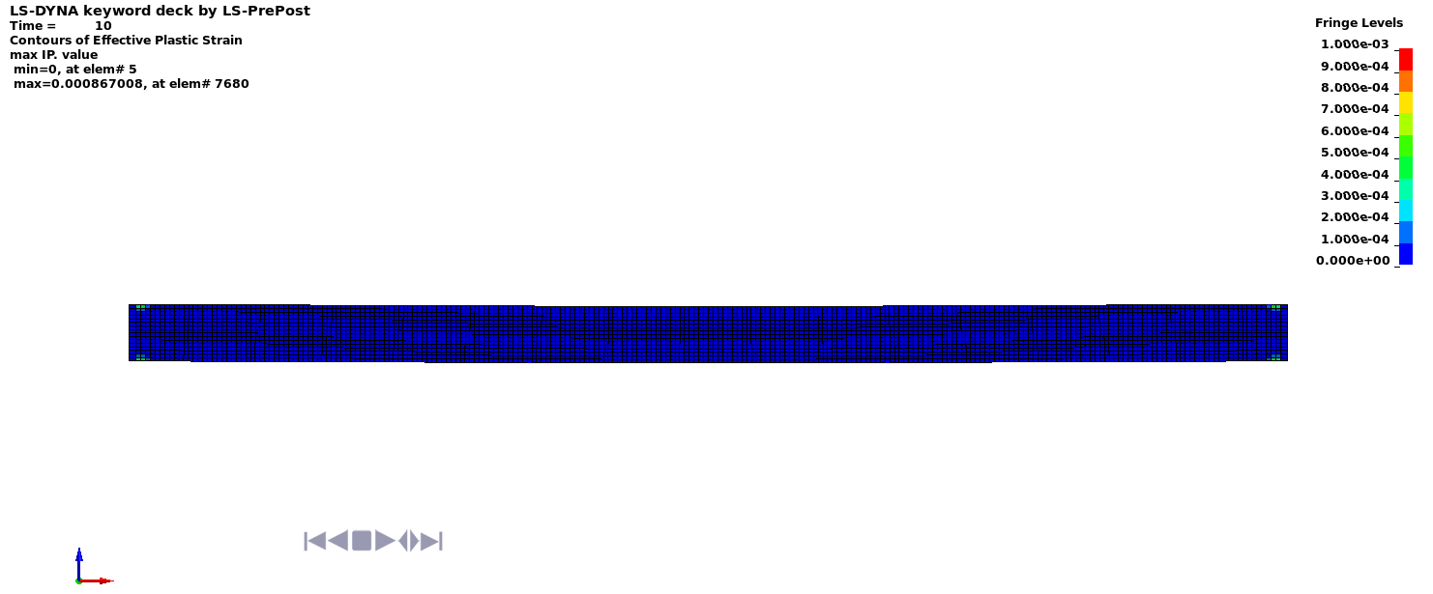

Deflected shape with visible contours of plasticity - side view

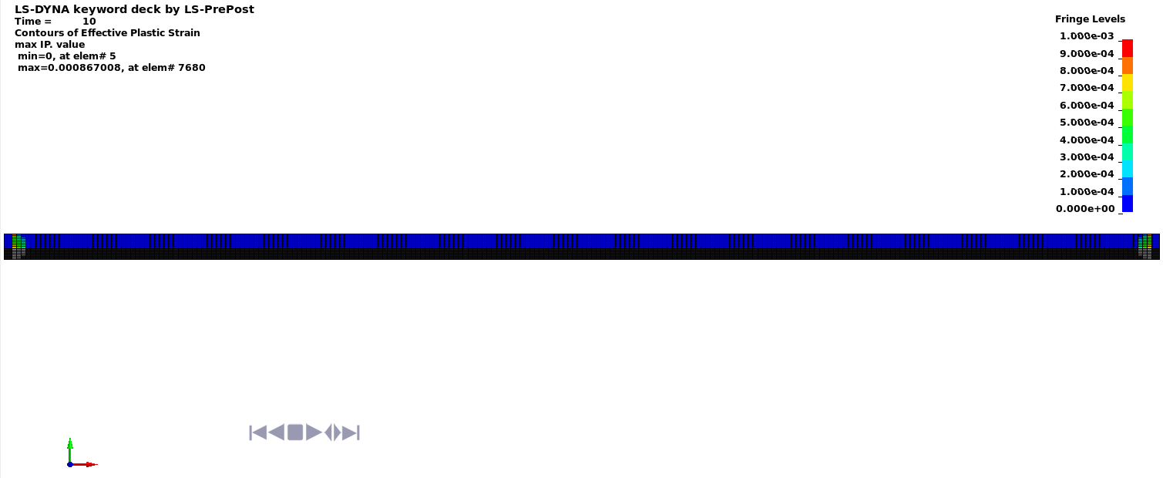

Deflected shape with visible contours of plasticity - top view

